Contact Info
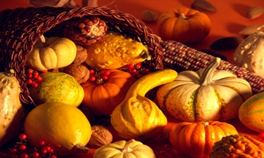
IMPORTANT NOTICE
PLEASE SUBMIT ORDERS BY Extended Date Monday August 10, 2026
Mums will be delivered Thursday, October 1, 2026 through Saturday, October 3, 2026. Please ensure all your delivery addresses are accessible to our delivery teams during business hours. Please note we only deliver in specific areas in the Ottawa / Carleton area so ensure all of your orders fall within the predetermined areas to avoid rejection of a delivery. Finally, please take a minute or two to edit your submission to ensure all of your input data is correct and accurate. Thank you.
Mums for Thanksgiving 2026 - Order Form |  | Plants
Rotary Club of West Ottawa | Number of Plants | 0
 | Cost of Plant | $20.00
 | Total Cost: | $-

Please verify the details below or modify as required

Please return your order to:
mumsforthanksgiving@rcwo.ca

To: <name>
Order Number: 11XX

Your Rotary Sales person is:
Name:
Phone:
Email:
Rotary Partner:

Processing Contact
<name>
<phone number>
<email address>

Invoice Contact
<name>
<phone number>
<email address>

Receipt Contact
<name>
<phone number>
<email address>

Include your own image file/business card or use the default below.
Image File name:
Image: 0000 Thanksgiving.jpg

